App-10
Applied filter/ slicer: Asset Owner Name! |  |  | show in 4 tabs instead of one, one tab per metric

Metrics % Compliance (consolidate across all owned applications for this perso)n: | Registration Compliance | iRisk Compliance | Validation Compliance | Enterprise Architecture Compliance

Details Table: |  |  | % compl/ color coded | % compl/ color coded | % compl/ color coded | % compl/ color coded | gaps highlighted (registration in red, others in yellow?)
 | Application Name | HexID | Registration | iRisk | Validation | Enterprise Architecture | ... List of attributes...

old content below as inspiration but no longer valid

This requrement is not 100% valid anymore-updates to this requrement have been documented in sheet Req
 | Persona: Application Owner |  |  |  |  |  |  |  |  |  |  | latest Azure implementation to checked -> myRITA.pg.com!
 | Use Case:
 |  | have visibility on compliance of all owned items
 |  | -> see list of owned applications and for each of them what items are missing to get compliant
 | Ideas (initial July 2018): | For application managers only applications assigned to them can be visible for compliance position
 |  | Per application they own, show score per applicable compliance and color code; compliance which is not applicable show N/A
 |  | Show all columns which are black in sheet AGF 3.0 metric per application and the respective value
 |  |  | Release column is a comma separated list of values, in case there is more than one value per application
 |  |  | Instance column is a comma separated list of values, in case there is more than one instance (Viha is already working on such a field for one of the governance scorecards)
 |  |  | Physical Database (Instance) is a comma separated list of values, in case there is more than one ...
 |  |  | Server (Instance) is a comma separated list of values, ....
 |  |  | +comma separated lists for all 1:m attributes
 |  | column Request data updates (via free text) with link to https://ease.pg.com/app.php?id=<hex id>, for example https://ease.pg.com/app.php?id=C0D3C18747C20011
 |  | Since thee are many attributes (columns) per application allow to hide / unhide the attribute details
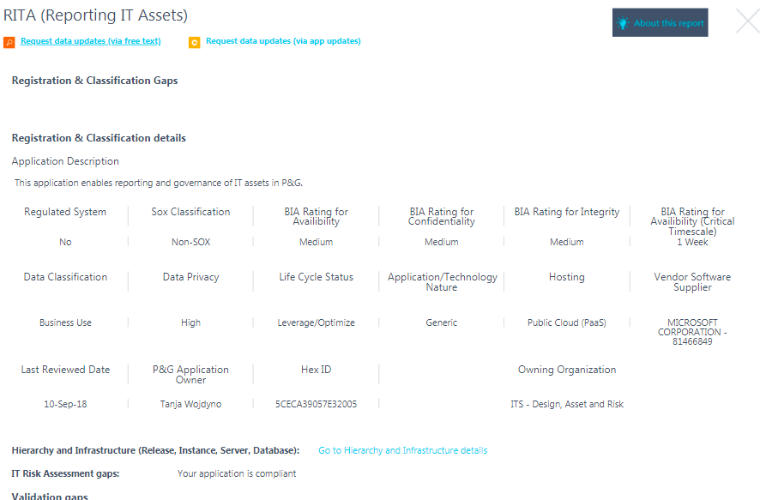
 |  | Assume that an Application Owner usually own more than one Application
 |  | Filter is all applications where logged in person is Application Owner and App/ Tech nature = [XOApp, App, xO Platf, Platf] (don't remove decommissioned); but decomissioned applications ONLY require a decomission date (to be compliant, see Enterprise Architecture Documentation)
 |  | Sort alphabetically but 1st !=Decommissioned the the Decommissioned
 |  | Titel of columns with naming convention <scorecard><measure>; only Registration and Classification has 4 columns
 |  | Allow to hide the columns which are marked in blue; when page is opened the deault is that all 3 columns are hidden (like a group in excel)
 |  | Allow to hide the columns which are marked in orange; when page is opened the deault is that all attribute columns are hidden (like a group in excel), we expect 50+ columns, some with a comma separated value list, see definition of measured attributes per compliance scorecard; don't color the values
 |  | Sort attributes (orange columns per compliance area)
 |  | All scores without decimal places

Example
 |  | Registration&Classification Compliance (in %) | Registration&Classification Complete (in %) | Registration&Classification Current (in %) | Registration&Classification Correct (in %) | Risk AssessmentComplete (in %) | Regulated Complete (in %) | Architecture Complete (in %) | Gaps for Registration&Classification | Gaps for Risk Assessment | Gaps for Regulated | Gaps for Architecture | Request data updates (via free text) | Request data updates (via appupdates.pg.com) | <name of attribute 1> | <name of attribute 2> | <name of attribute 3> | <name of attribute x>
 |  | 66 | 100 | 0 | 100 | 100 | N/A | 100 | comma separated list of measured attributes | comma separated list of measured attributes, only show if the app is in scope of the RISK assessment, else show N/A | comma separated list of measured attributes, only show if the app is in scope of the Reglated Doumentation, else show N/A | comma separated list of measured attributes, only show if the app is in scope of the Enterprize Architecture assessment, else show N/A | Request data updated (via button in EASE) (hyperlink)https://ease.pg.com/app.php?id=<hex id> | Request updates via App Update (hyperlink http://appupdates.pg.com) | actual attribute value 1, or comma separated list of values if 1:m | actual attribute value 2, or comma separated list of values if 1:m | actual attribute value 3, or comma separated list of values if 1:m | actual attribute value x, or comma separated list of values if 1:m

 | Application Name
 | MEGA

Tenable qu
% LifeCycle Status Accuracy Logic:

SNOW and Tenable data will be joined via the hostname (Tenable) and either the DNS Name (SNOW) or the NetBIOSName (SNOW).
If hardware status of the device is either of the following: Decommissioned, Defective, Stolen, Missing, In Disposition, In Maintenance, In Stock, On Order, Retired and the Last Seen date is 1900-01-01 then the score is 100 for the device
If hardware status of the device is either of the following: Decommissioned, Defective, Stolen, Missing, In Disposition, In Maintenance, In Stock, On Order, Retired and the Last Seen date is <=60 from the current date, then the score is 0 for the device
If hardware status of the device is either of the following: Decommissioned, Defective, Stolen, Missing, In Disposition, In Maintenance, In Stock, On Order, Retired and the Last Seen date is NULL, then the score is 100 for the device
If hardware status of the device is NULL then the score is 0 for the device
If hardware status of the device is Installed and the Last Seen date is more than 60 days already the Last Seen date is Null then the score is 0 for the device

The score for all the devices will be averaged to get the % LifeCycle Status Accuracy score.

Active Devices formula

DAX Formula: Total Active Devices:=(CALCULATE(DISTINCTCOUNT('Discovery'[DeviceKey]),'Device Details'[Lifecycle Status]="installed",FILTER('Discovery',COUNTROWS(FILTER(VALUES('Date'[Calendar Date]),'Discovery'[Start Date]<='Date'[Calendar Date]&&'Discovery'[End Date]>='Date'[Calendar Date]))))+0)

In the Discovery table we have all device IDs that have been added to our base with Tenable and SNOW. We store there information about when we started researching (storing) the given device in our database (Start Date) and when was the last update of this device (End Date).
This table is combined with a second table (Device Details) that stores the details of the device, including status.

How do we calculate Total Active devices?
For example. With only the 11 devices shown in the picture, we take into account those that have EndDate = 2019-04-10, which is today. (in this case, we will take 6 devices). Then we check the status for them and take only those that have the status = 'Installed'. And then we take only distinct on deviceKey. Assuming that each of these 6 devices has an 'Installed' status, the final result will be 6 (rows 1,2,3, 6, 8 and 10).

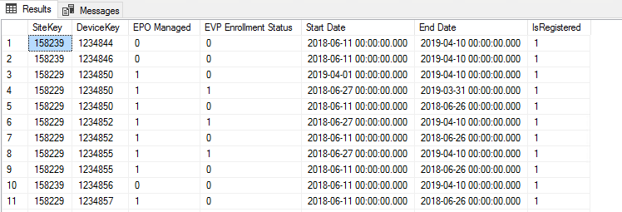

Initial Load
What is the "last seen" date which we should be the basis for the loading (timeframe)?
We will only load devices that were last seen for the past 3 months/90 days.

Incremental Loads
Confirm "last seen" as defining attribute (today to 90 days before)?
Yes. We should also think about full loads if the incremental load fails.

What is the timeline we need to show (rolling 12 months)?
Rolling 12 months. To build the trends, either we keep a snapshot of the previous days because that will be overwritten or there’s a full load for every 1st of the month and keep that as basis.
At what point in time/ frequency (e.g. Last day of month)?
This is updated on a daily basis - > once a month is ok

What number (current list of Tenable Ids? Has nothing to do with last_seen!)
Unregistered is all devices loaded from Tenable and are not in SNOW. Registered is all devices from SNOW. Open item: There looks to be an additional filter called IsValid that I’m still asking from Lukasz.
Invalid flag -> most likely not relevant, this was used to eliminate duplicate Tenable Ids - but we only have distinct ones
Confirm we do not need functionality to drill down to history?
No need to drill down

1. Per the metric definition below for Unregistered devices. Either DNS or NetBIOS should not be blank.
a. Can we ignore the asset extraction if both values are empty or NULL?
b. Also HP ILO device types should be excluded. Can we filter these records also from source?
c. # Unregistered Devices - the count of Unregistered Devices is taken from Tenable discovery data. Only devices with DNS or NetBIOS names are considered as valid Unregistered Devices. The IP addresses of these devices are mapped with the BT IP Diamond report to determine the sites where they belong. The denominator for Registered Devices is the sum of Registered Devices in Service Now and the count of valid Unregistered Devices in Tenable. As Site Security Leader, you are expected to investigate on the Unregistered devices in your site and register them if they are valid company assets.
Site Security Leaders should see registered devices which have an assignment group assigned and also unregistered devices captured by the scanning solution in the respective sites. You should not see registered "orphan" devices. Also "HP ILO" device types (peripherals added on to DXC servers to allow remote access/control) should be excluded.
Yes, disregard devices with no DNS or NetBIOS names. HP ILO devices should be excluded from the registered devices only.

1. Whether we need to use the below given url for getting asset data? If yes, please shed some light on the same.
https://cloud.tenable.com/scan/export/" + exportid + "/ chunks /" + item.Key

Currently we are using the below urls for fetching data. | https://cloud.tenable.com/assets/export
Provide export_id for required assets | https://cloud.tenable.com/assets/export/ed59fdf2-acfa-4318-bb60-cc79d2861cc7/status
Provide export status and chunks details | https://cloud.tenable.com/assets/export/ed59fdf2-acfa-4318-bb60-cc79d2861cc7/chunks/9
Provide asset details for specific chunk

Steve/ Tenable:

As mentioned before, The documentation is quite clear here.
https://developer.tenable.com/tenableio/reference#exports-assets-request-export
https://developer.tenable.com/tenableio/reference#exports-assets-export-status
https://developer.tenable.com/tenableio/reference#exports-assets-download-chunk

API URL – that’s already in the documentation and it’s the same URL you’re using

1. Many fields are not present in the JSON extracted from Tenable API. In those columns, last_authenticated_results/last_unauthenticated_results,Device_type and description are important for metric calculations.
 | Availability
Required Cols | YES
agent_uuid | YES
bios_uuid | NO
completed_at | NO
description | NO
device_type | NO
family | NO
family_id | YES
first_found (first_seen) | YES
fqdn(fqdns) | YES
has_patch(has_plugin_results) | YES
hostname(hostnames) | YES
id | YES
ipv4(ipv4s) | NO
last_authenticated_results | YES
last_found(last_seen) | NO
modification_date | NO
name | YES
operating_system(operating_systems) | NO
output | NO
port | NO
protocol | NO
publication_date | NO
risk_factor | NO
schedule_uuid | NO
see_also | NO
severity | NO
severity_default_id | NO
severity_id | NO
severity_modification_type | NO
solution | NO
started_at | NO
state | NO
synopsis | NO
tracked | NO
type | NO
uuid | NO
version
* The column names in bracket are the fields whose data is being used to populate the nearby CSV column.

Steve/ Tenable:
As you're talking about ASSET data and not VULNERABILITY data here, it would be logical to assume that vulnerability-centric fields wouldn’t be in the asset export? Further some of the fields are different, but will convey similar context as the context is to the ASSET and not a VULNERABILITY.

I’d recommend taking a look at the fields in the export to shed some light here. For example:

last_authenticated_scan_date ~ last_authenticated_results
system_types ~ device_type

(Errol) Missing fields
a. I have updated the data dictionary with the field names coming from the latest API. For some fields, they are returned as an array in the latest API. Can you check with Lukasz if we have the same cases for the API responses read by Azure, and if so, what do we do with it? Pinaki will check for those which are coming back as array.
b. There are some missing fields, which we’ll ask if there’s any corresponding field in the new API: Last Unauthenticated Results, Device Type and Description. [Device Type already answered; Description -> Operating System]
c. You’ve shared a table in the email below containing some more missing fields. If we’re not using it anyway, like the vulnerability fields, then let’s not map it anymore with the fields from the latest API.

1. Which will be the primary key field for tenable Asset data? question
ID

Source has 3 different device types Assets/Vulnerabilities and Relationships.

1. Since scope is only for Assets, How to extract only asset details from Json?
Hopefully Steves earlier reply and reference answered this? Yes

1. Please update the source mappings for below attributes.
Please provide a sample file with above fields to start extraction and development.
Are we sure these woudl be coming from Tenable/ asset API?
IPAM Descriptioin solved, Updated Date - Pinaki to check where needed

 | column used | Present in Json?
Attribute | fqdn | Yes
DNS Name | ipv4 | Yes
Site Name | ipv4 | yes
Site Code | mac_address | No
MAC Address | ipv4 | Yes
IP Address | operating_system | Yes
OS Description | bios_uuid | Yes
Tenable Discovery ID | COMING FROM INFOBLOX | No
IPAM Description | not used | No
Updated Date | last_authenticated results or last_unauthenticated_results | No
Last Seen | device_type | No
Device Type | uuid | No
Host ID

HW-81 BU leader dashboard
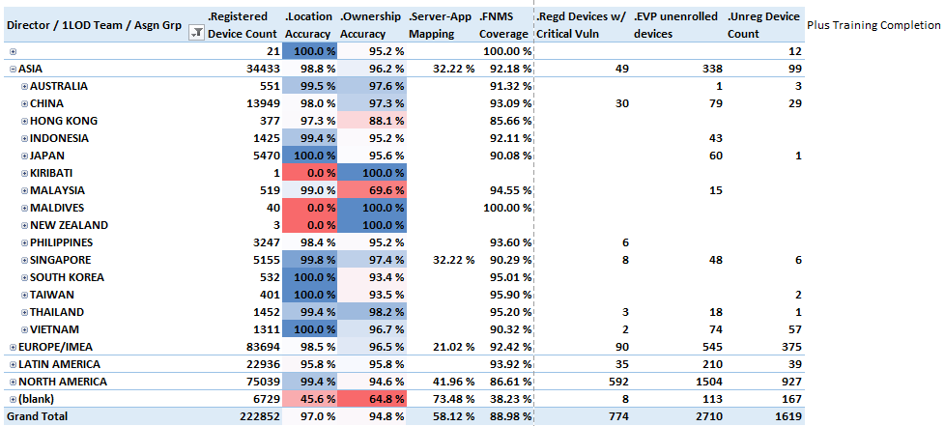
Mockup

